Instructions
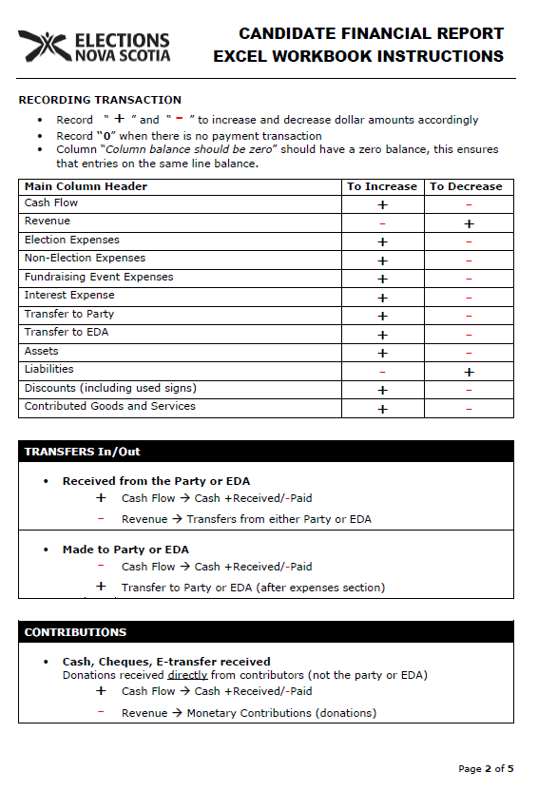
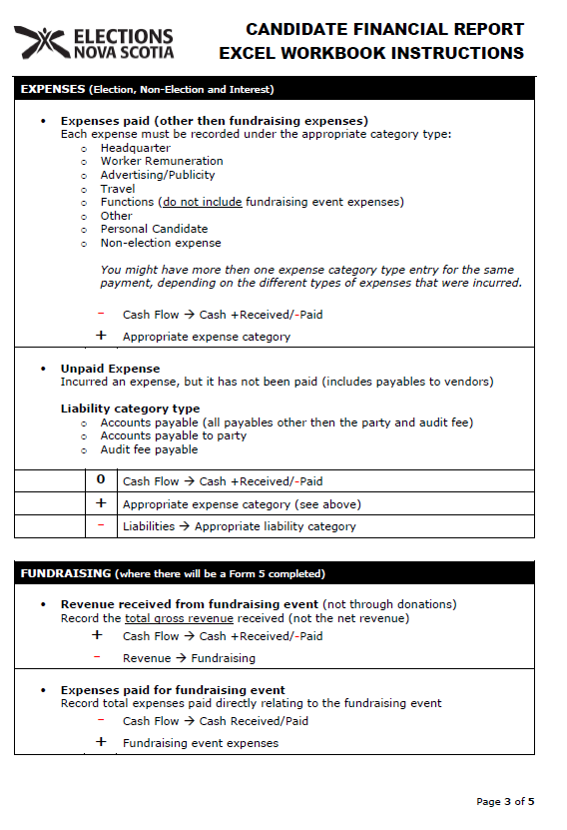
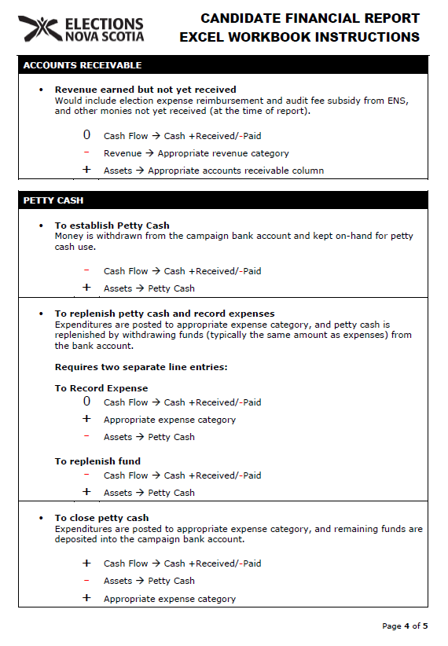
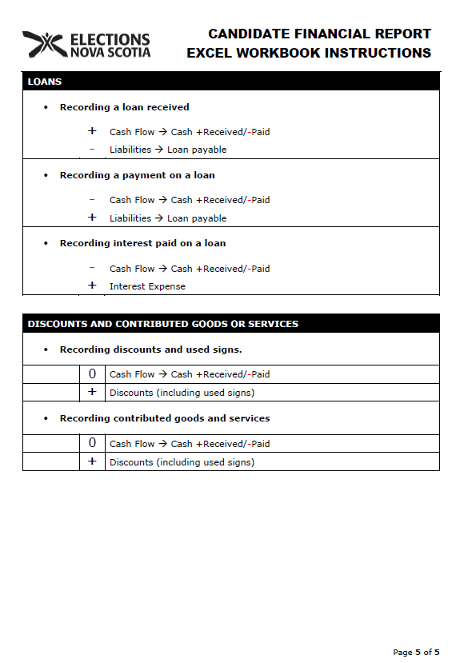
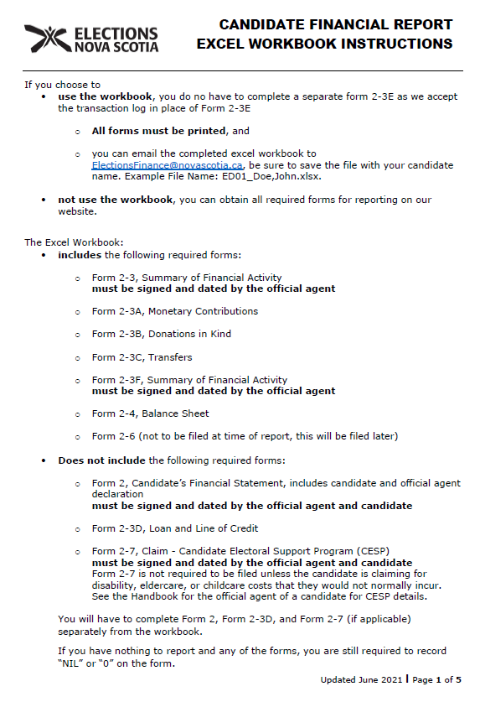
CONTACTING ELECTIONS NOVA SCOTIA (ENS)

Mailing Address | Street Address
PO Box 2246 | 202 Brownlow Avenue, Suite 505
Halifax, NS B3J 3C8 | Dartmouth, NS B3B 1T5

Telephone
902-424-8584
1-800-565-1504 (toll free)
902-424-6622 (Fax)

General inquires email address (non-financial)
elections@novascotia.ca

Electoral finance inquires email address
electionsfinance@novascotia.ca

Website
https://www.electionsnovascotia.ca

